Sheet1
Notes:
The calculator is valid for sheet length up to 11.8m
For Rafter installation T-fasteners are calculated each 750mm (loads up to 120 kg/sqm)
Sunpal- BOQ Calculator
 |  |  |  |  |  |  |  |  |  | Supportive Structures Types
 |  |  |  |  |  | Roof Length (m) Sloped
 |  |  |  |  |  | Roof Width (m) |  |  | Rafters |  | Purlins
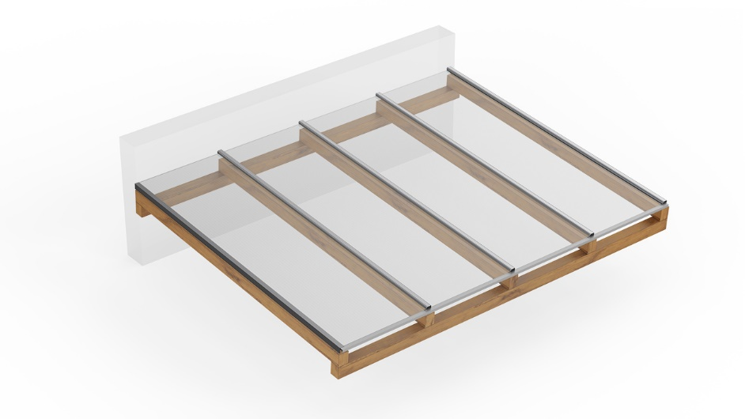
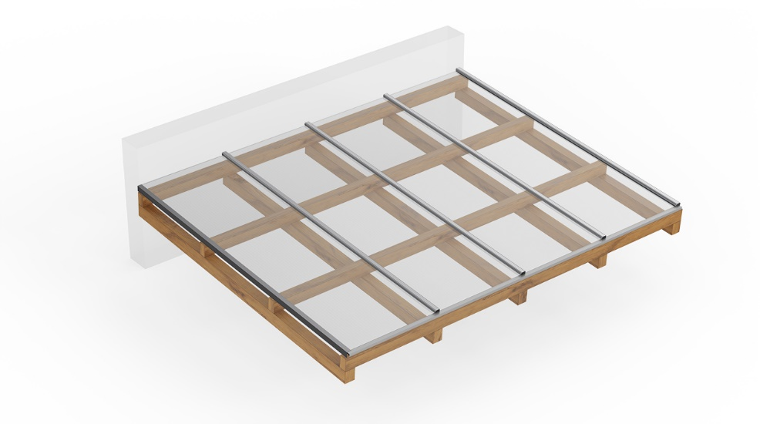
 |  |  |  |  |  | System Type
 |  |  |  |  |  | Sheet Color
 |  |  |  |  |  | PC Joiner Color
 |  |  |  |  |  | Structure Type Metal/Wood
 |  |  |  |  |  | Installation Type
 |  |  |  |  |  | Enter Purlin Distance (m)

 |  |  |  |  |  |  |  | Total Quantity
# | Description |  | Palram SAP# | Drawing | Unit | Unit Length | Quantity | Linear m | SQM | Comments
1 | Sunpal | 0 |  |  | m (length) | 0.000 | 0 | 0.00 | 0.00
 | Color | 0
2 | PC Joiner |  | 0 |  | m (length) | 0.000 | 0 | 0.00 | --- | Palram SAP# are for 12m units
 | Color | 0
3 | End Cap for PC Joiner |  | 0 |  | Piece | --- | 0 | --- | --- | Including 3% reserve

4 | T-Fastener |  | 0 |  | Piece | --- | 0 | --- | --- | Including 3% reserve
 | 0 | mm
5 | T-Stopper |  | 0 |  | Piece | --- | 0 | --- | --- | Including 3% reserve
 | 0 | mm
6 | Alu Sealing Strip |  | 0 |  | m (length) | 6.000 | 0 | 0.00 | --- | Palram SAP# are for 6m units
 | 0 | mm
7 | Alu U Profile |  | 0 |  | m (length) | 6.000 | 0 | 0.00 | --- | Palram SAP# are for 6m units
 | 0 | mm
8 | Alu F Profile |  | 0 |  | m (length) | 0.000 | 0 | 0.00 | --- | Palram SAP# are for 6m units
 | 0 | mm
9 | Alu F Profile |  | 0 |  | m (length) | N/A | N/A | N/A | --- | Palram SAP# are for 6m units
 | 0 | mm
10 | Fixing Screw |  | 0 |  | Piece | --- | 0 | --- | --- | Including 3% reserve
 | Type | 0
11 | Aluminum Tape |  | 0 |  | m (length) | --- | 0.0 | --- | --- | Palram SAP# is for 50m Roll
 | 0 | mm
12 | Breathing Tape |  | 0 |  | m (length) | --- | 0.0 | --- | --- | Palram SAP# is for 33m Roll
 | 0 | mm
13 | Head/Wall Flashing (Optional) |  | 0 |  | Piece | --- | 0 | --- | --- | 4m long unit
 | 0 | mm

